Manual
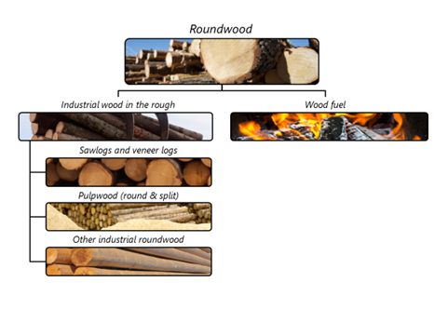

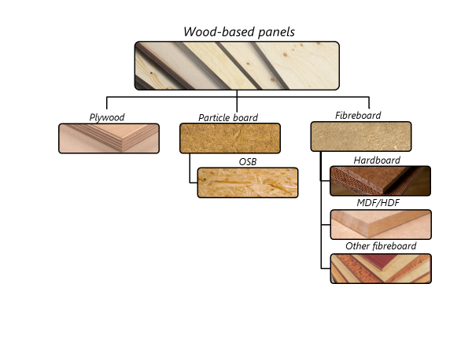

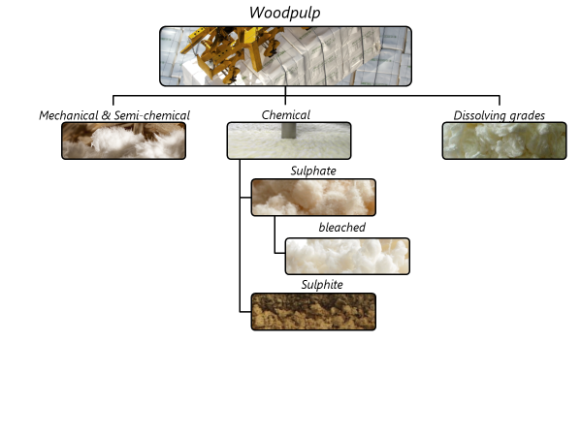

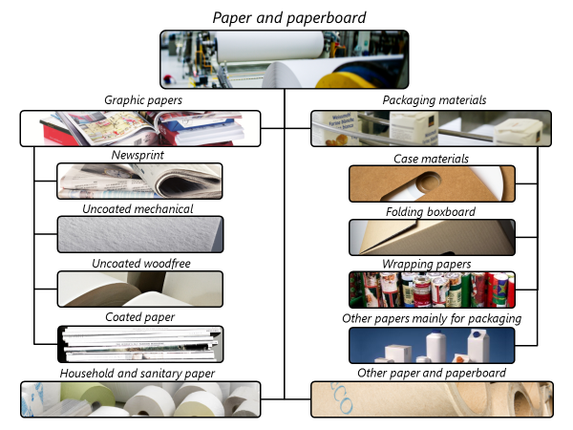

Changes from JQ2019 to JQ2020
Below is a complete list of all changes to JQ2021. Items in bold are significant changes.
Definitions - no changes
Questionnaires
Simplified structure of JQ1 and JQ3 so no merged cells inside data area
Added note on filling in all cells to each sheet
Annex 2 provides additional details on how to estimate “ex” codes

