Manual
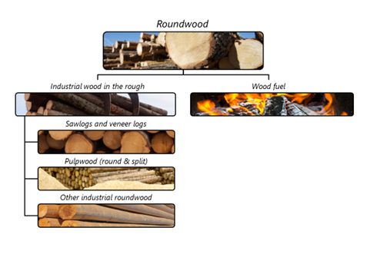

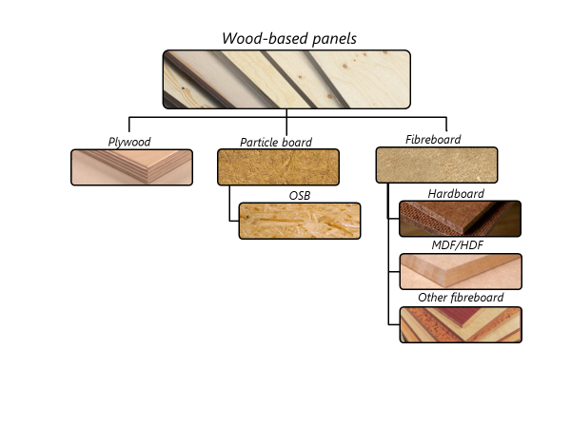

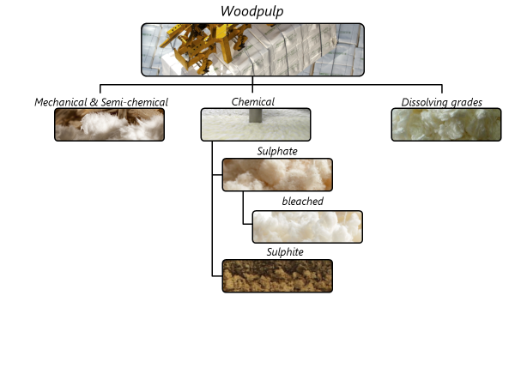

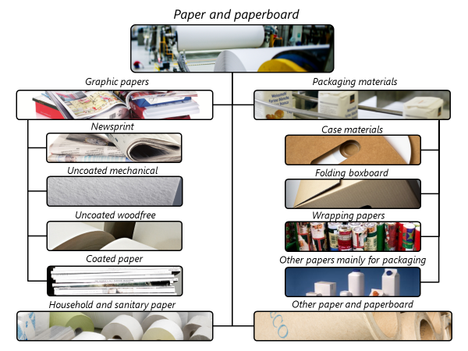

Changes from JQ2018 to JQ2019
Below is a complete list of all changes to JQ2019.
Definitions
Revised definition of removals to include unsold roundwood stored at roadside.
Replaced references to questionnaires (JQ1 etc) with type of data (removals etc.)
Excluded recovered wood that is not reused for material or energy use (item 4)
Clarified that wood pulp (item 9) excludes pulp made from recovered paper
Changed newsprint definition to include rolls exceeding 28 cm rather than 36 cm (item 12.1.1).
Questionnaires – there were no changes

