Statistics I15-IE015
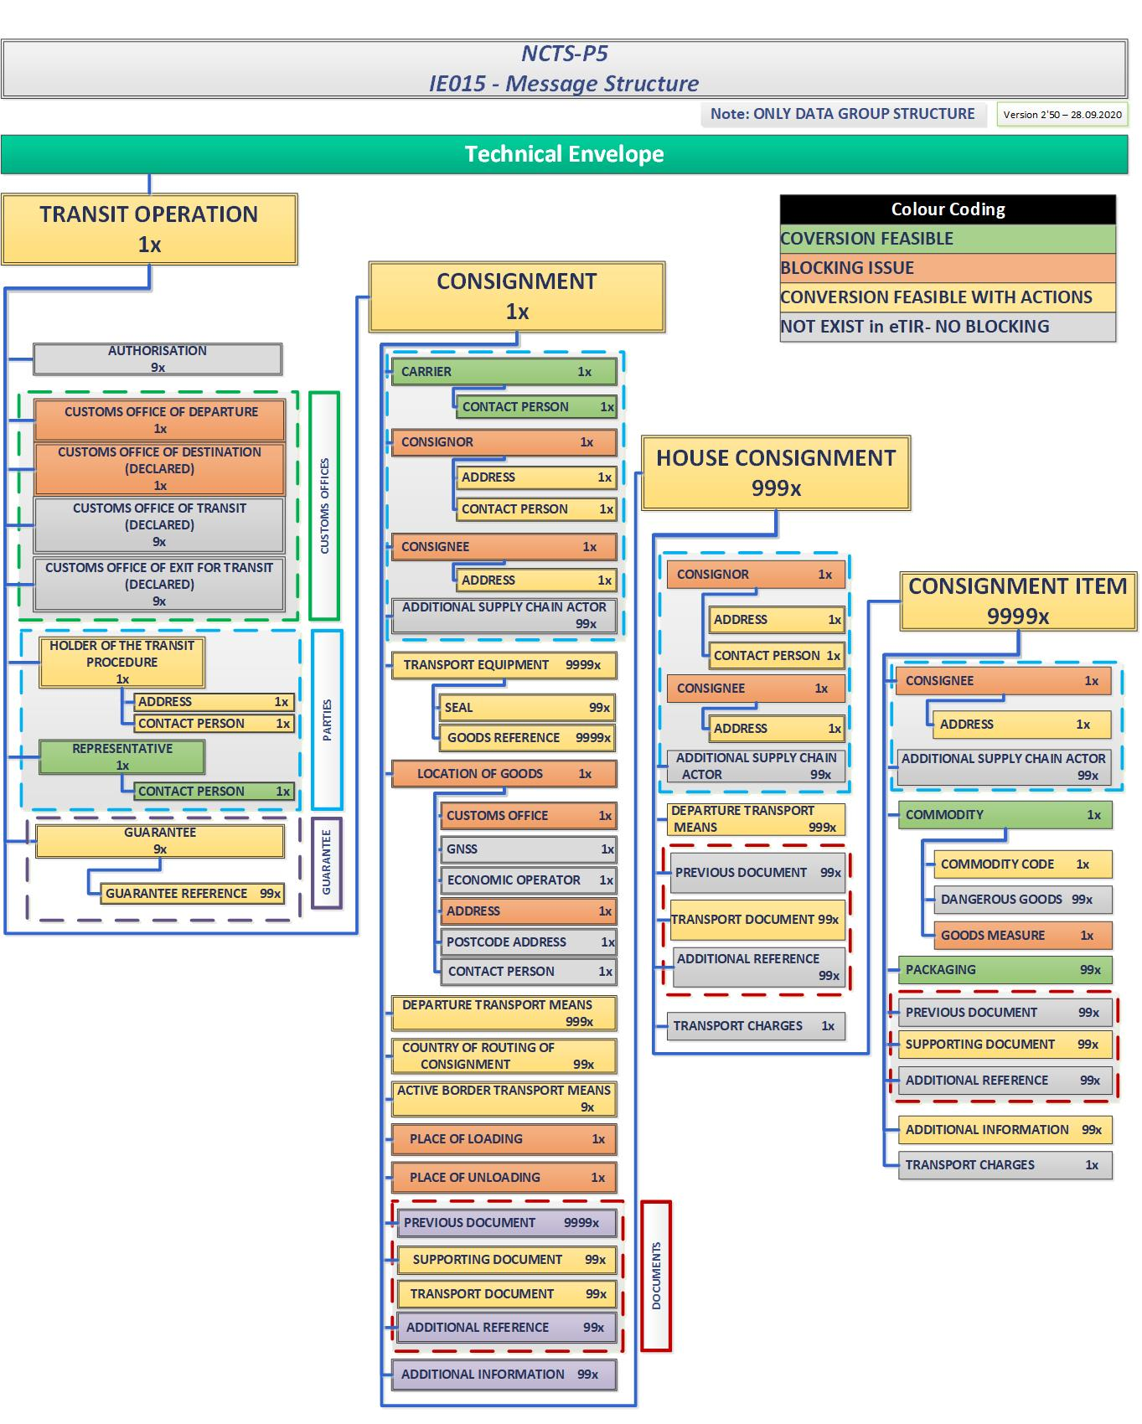
Conversion Feasibility Statistics From eTIR I15 to NCTS P5 IE015
 | Total
BLOCKING ISSUE | 13
CONVERSION FEASIBLE WITH ACTIONS | 29
NOT EXIST in eTIR- NO BLOCKING | 20
COΝVERSION FEASIBLE | 6
 | From eTIR to NCTS From I15 to IE015
 | Data Groups | Convertibility | Comments | Possible impact because of ICS2/NCTS interface
 | TRANSIT OPERATION | CONVERSION FEASIBLE WITH ACTIONS
 | AUTHORISATION | NOT EXIST in eTIR- NO BLOCKING
 | CUSTOMS OFFICE OF DEPARTURE | BLOCKING ISSUE | In case eTIR movement is initiated at an OoDep outside EU, then the NCTS.P5 OoDep (located in EU) is not available in I15 message. Only the itinerary, thus the country of entry in EU is available. As Data Group is Required for IE015 message, this issue shall be handled with high priority. Please refer to row #18 on sheet -'from I15 to IE015' of this excel.
 | CUSTOMS OFFICE OF DESTINATION (DECLARED) | BLOCKING ISSUE | In case the final destination of eTIR movement is an OoDes outside EU, then the NCTS.P5 OoDes is not available to I15 message. Only the itinerary, thus the country exiting the EU borders is available. As Data Group is Required for IE015 message, this issue shall be handled with high priority. Please refer to row #20 on sheet -'from I15 to IE015' of this excel.
 | CUSTOMS OFFICE OF TRANSIT (DECLARED) | NOT EXIST in eTIR- NO BLOCKING
 | CUSTOMS OFFICE OF EXIT FOR TRANSIT (DECLARED) | NOT EXIST in eTIR- NO BLOCKING
 | HOLDER OF THE TRANSIT PROCEDURE | CONVERSION FEASIBLE WITH ACTIONS | ACTOR Demographics Data Group information to be retrieved from webservice available via ITDB, by providing the TIR holder identification number in case not in EOS
 | ---ADDRESS | CONVERSION FEASIBLE WITH ACTIONS |  | ACTORS Demographics may be enriched based on the outcome of the study for NCTS and ICS2 interface.
 | ---CONTACT PERSON | CONVERSION FEASIBLE WITH ACTIONS |  | ACTORS Demographics may be enriched based on the outcome of the study for NCTS and ICS2 interface. The Optionality of the Data Group will be modified as CONTACT PERSON in ICS2 is Required.
 | REPRESENTATIVE | COΝVERSION FEASIBLE
 | ---CONTACT PERSON | COΝVERSION FEASIBLE |  | ACTORS Demographics may be enriched based on the outcome of the study for NCTS and ICS2 interface. The Optionality of the Data Group will be modified as CONTACT PERSON in ICS2 is Required.
 | GUARANTEE | CONVERSION FEASIBLE WITH ACTIONS
 | ---GUARANTEE REFERENCE | CONVERSION FEASIBLE WITH ACTIONS
 | CONSIGNMENT | CONVERSION FEASIBLE WITH ACTIONS | Data Item: CONSIGNMENT.Reference number UCR OR TRANSPORT DOCUMENT In transit declaration either <Reference number UCR> (at CONSIGNMENT level) or TRANSPORT DOCUMENT (at CONSIGNMENT or at HOUSE CONSIGNMENT level) shall be filled in as per applicable conditions. Although, this information is not available in eTIR. Proposed Solution: The optionality of the Data Group to be updated in eTIR so to provide either the UCR or the TRANSPORT DOCUMENT in case the EU is part of the itinerary. Please refer to row #66 on sheet 'from I15 to IE015' of this excel.
Note: In case the information of Data Groups/Data items (Mode of transport at the border, TRANSPORT EQUIPMENT, LOCATION OF GOODS, ACTIVE BORDER TRANPORT MEANS, PLACE OF LOADING), as it will be presented at the EU border, is not available in the initial eTIR declaration and have been updated THEN at the time the goods are presented at EU BORDER (OoDep for NCTS) the Holder of the Transit procedure must provide the necessary data by IE170 message in order the information to be available at Common domain messages (e.g. IE029). IE029 message will be forwarded for further process in NCTS eTIR Convertor. | ---CARRIER | COΝVERSION FEASIBLE
 | ------CONTACT PERSON | COΝVERSION FEASIBLE |  | ACTORS Demographics may be enriched based on the outcome of the study for NCTS and ICS2 interface.
 | ---CONSIGNOR | BLOCKING ISSUE | NCTS. P5 CONSIGNOR is required in case the ACTOR is different than the HOLDER OF THE TRANSIT PROCEDURE. In NCTS.P5 CONSIGNOR is present at CONSIGNMENT and HOUSE CONSIGNMENT level while in eTIR CONSIGNOR Is available at CONSIGNMENT ITEM level. Due to different level of applicability, in case the eTIR CONSIGNOR is not the same in each CONSIGNMENT ITEM then conversion issue exists. Please refer to row #73 on sheet -'from I15 to IE015' of this excel. Proposed Solution: In case CONSIGNOR is the same with the ‘HOLDER OF THE TRANSIT PROCEDURE' Data group is optional therefore it can remain null and no issue is identified. In case CONSIGNOR is different from the ‘HOLDER OF THE TRANSIT PROCEDURE' extra instance of Data group Consignor to be introduced at Consignment level in eTIR when the Data Group must be provided. The proposed solution has been agreed between the involved parties. The issue will remain blocking until the implementation of the Technical Specifications.
 | ------ADDRESS | CONVERSION FEASIBLE WITH ACTIONS | Data item information to be retrieved from webservice available via ITDB, by providing the identification number. | ACTORS Demographics may be enriched based on the outcome of the study for NCTS and ICS2 interface.
 | ------CONTACT PERSON | CONVERSION FEASIBLE WITH ACTIONS | Data item information to be retrieved from webservice available via ITDB, by providing the identification number. | ACTORS Demographics may be enriched based on the outcome of the study for NCTS and ICS2 interface.
 | ---CONSIGNEE | BLOCKING ISSUE | Point 1: NCTS. P5 CONSIGNEE is required in case the country of destination is in CL009 (CountryCodesCommonTransit) while in eTIR the Data Group is Optional. Due to different optionality, conversion issue exists. Proposed Solution: A condition will be assigned I15 message to modify the optionality on the Consignee Data Group to "required" in case the country of destination is in CL009. (note: This change, has an impact to eTIR- Agreed with UNECE, to be verified with GE1) Point 2: In case it will be decided that safety and security data will be also part of eTIR movement then the following issued as additionally identified: Also, CONSIGNEE in case of security ='2' or '3' is required in NCTS P5 while the same data group is optional in eTIR messages. Please refer to row #85 on sheet -'from I15 to IE015' of this excel. The issue will remain blocking until the implementation of the Technical Specifications. | The optionality of the Data Group will be modified to Required in ICS2/NCTSP6 interface. To be discussed if in NCTS P5 CONSIGNEE will be removed from CONSIGNMENT ITEM level.
 | ------ADDRESS | CONVERSION FEASIBLE WITH ACTIONS | Data item information to be retrieved from webservice available via ITDB, by providing the identification number. | ACTORS Demographics may be enriched based on the outcome of the study for NCTS and ICS2 interface.
 | ---ADDITIONAL SUPPLY CHAIN ACTOR | NOT EXIST in eTIR- NO BLOCKING
 | ---TRANSPORT EQUIPMENT | CONVERSION FEASIBLE WITH ACTIONS |  | The optionality of the Data Group will be modified to Required in ICS2/NCTSP6 interface in declaration message. Data Group will be enriched based on the outcome of the study for NCTS and ICS2 interface. Data item TRANSPORT EQUIPMENT.Container size and type will be added.
 | ------SEAL | CONVERSION FEASIBLE WITH ACTIONS |  | Information is Required for ICS2/NCTSP6 interface in case goods are sealed.
 | ------GOODS REFERENCE | CONVERSION FEASIBLE WITH ACTIONS
 | ---LOCATION OF GOODS | BLOCKING ISSUE | Information must be provided in NCTS.P5-IE170. In case the information of these Data Groups/Data items (as it will be presented at the EU border) is not available in the initial eTIR declaration THEN at the time the goods are presented at EU BORDER (OoDep for NCTS) the Holder of the Transit procedure must provide the necessary data by IE170 message in order the information to be available at Common domain messages (e.g. IE029). IE029 message will be forwarded for further process in NCTS eTIR Convertor. Please refer to rows #64, #97, #107, #141, #148 on sheet -'from I15 to IE015' of this excel. Issue if Holder of transit procedure is not in EU. A possible solution is to assigned the OoDep (not currently available).Information is Required in NCTS. Issue due to the fact that only the country where this movement enters in EU is known in eTIR and not the ACTUAL OoDep.
 | ------CUSTOMS OFFICE | BLOCKING ISSUE | Same as Data Group LOCATION OF GOODS
 | ------GNSS | NOT EXIST in eTIR- NO BLOCKING | Same as Data Group LOCATION OF GOODS. The Data Group is not marked as BLOCKING ISSUE since this Data Group is not expected to be introduced in eTIR to define the LOCATION OF GOODS.
 | ------ECONOMIC OPERATOR | NOT EXIST in eTIR- NO BLOCKING | Same as Data Group LOCATION OF GOODS. The Data Group is not marked as BLOCKING ISSUE since this Data Group is not expected to be introduced in eTIR to define the LOCATION OF GOODS.
 | ------ADDRESS | BLOCKING ISSUE | Same as Data Group LOCATION OF GOODS
 | ------POSTCODE ADDRESS | NOT EXIST in eTIR- NO BLOCKING | Same as Data Group LOCATION OF GOODS. The Data Group is not marked as BLOCKING ISSUE since this Data Group is not expected to be introduced in eTIR to define the LOCATION OF GOODS.
 | ------CONTACT PERSON | NOT EXIST in eTIR- NO BLOCKING | Same as Data Group LOCATION OF GOODS. The Data Group is not marked as BLOCKING ISSUE since this Data Group is not expected to be introduced in eTIR to define the LOCATION OF GOODS.
 | ---DEPARTURE TRANSPORT MEANS | CONVERSION FEASIBLE WITH ACTIONS |  | The optionality of the Data Group will be modified to Required in ICS2/NCTSP6 interface in declaration message.
 | ---COUNTRY OF ROUTING OF CONSIGNMENT | CONVERSION FEASIBLE WITH ACTIONS |  | Data Group will be enriched based on the outcome of the study for NCTS and ICS2 interface to include the full itinerary.
 | ---ACTIVE BORDER TRANSPORT MEANS | CONVERSION FEASIBLE WITH ACTIONS |  | The optionality of the Data Group will be modified to Required in ICS2/NCTSP6 interface in declaration message. Data Group may be enriched based on the outcome of the study for NCTS and ICS2 interface to include the transport means of the whole movement.
 | ---PLACE OF LOADING | BLOCKING ISSUE | In NCTS P5 PLACE OF LOADING is Optional in IE015 while the same data Group is Required in Common domain messages, thus the information shall be provided. In eTIR information is Optional. Conversion issue exists. Solution: Change the optionality of the Data item to Required in eTIR. To be discussed with GE1. Please refer to row #148 on sheet -'from I15 to IE015' of this excel. | The optionality of the Data Group will be modified to Required in ICS2/NCTSP6 interface in declaration message.
 | ---PLACE OF UNLOADING | BLOCKING ISSUE | In case it will be decided that safety and security data will be also part of eTIR movement then the following issued as additionally identified: • PLACE OF UNLOADING in case of security ='1' or '3' is required in NCTS P5 while the same data group is optional in eTIR messages. Please refer to rows #85, #152, #226 on sheet -'from I15 to IE015' of this excel. Note: In NCTS P5 the place of unloading is limited either to the Customs Office Of Destination or the premises of the authorized consignee only . The usage of the Data Group will be modified in ICS2/NCTSP6 interface. (other than OoDes or authorized consignee premises). Issue to be further investigated under elaboration phase. Possible solution is considered to fill in the Data Group with the information country of destination. The issue will remain blocking until the implementation of the Technical Specifications. | The usage of the Data Group will be modified in ICS2/NCTSP6 interface. (other than OoDes or authorized consignee premises)
 | ---PREVIOUS DOCUMENT | NOT EXIST in eTIR- NO BLOCKING
 | ---SUPPORTING DOCUMENT | CONVERSION FEASIBLE WITH ACTIONS |  | Data Group may be introduced also at House Consignment level based on the outcome of the study for NCTS and ICS2 interface.
 | ---TRANSPORT DOCUMENT | CONVERSION FEASIBLE WITH ACTIONS
 | ---ADDITIONAL REFERENCE | NOT EXIST in eTIR- NO BLOCKING
 | ---ADDITIONAL INFORMATION | NOT EXIST in eTIR- NO BLOCKING |  | Data Group may be introduced also at House Consignment level based on the outcome of the study for NCTS and ICS2 interface.
 | ---HOUSE CONSIGNMENT | CONVERSION FEASIBLE WITH ACTIONS
 | ------CONSIGNOR | BLOCKING ISSUE | NCTS. P5 CONSIGNOR is required in case the ACTOR is different than the HOLDER OF THE TRANSIT PROCEDURE. In NCTS.P5 CONSIGNOR is present at CONSIGNMENT and HOUSE CONSIGNMENT level while in eTIR CONSIGNOR Is available at CONSIGNMENT ITEM level. Due to different level of applicability, in case the eTIR CONSIGNOR is not the same in each CONSIGNMENT ITEM then conversion issue exists. Please refer to row #73 on sheet -'from I15 to IE015' of this excel.
 | ---------ADDRESS | CONVERSION FEASIBLE WITH ACTIONS | Data item information to be retrieved from webservice available via ITDB, by providing the identification number. | ACTORS Demographics may be enriched based on the outcome of the study for NCTS and ICS2 interface.
 | ---------CONTACT PERSON | CONVERSION FEASIBLE WITH ACTIONS | Data item information to be retrieved from webservice available via ITDB, by providing the identification number. | ACTORS Demographics may be enriched based on the outcome of the study for NCTS and ICS2 interface.
 | ------CONSIGNEE | BLOCKING ISSUE | Point 1: NCTS. P5 CONSIGNEE is required in case the country of destination is in CL009 (CountryCodesCommonTransit) while in eTIR the Data Group is Optional. Due to different optionality, conversion issue exists. Please refer to row #85 on sheet -'from I15 to IE015' of this excel. Proposed Solution: A condition will be assigned I15 message to modify the optionality on the Consignee Data Group to "required" in case the country of destination is in CL009. (note: This change, has an impact to eTIR- Agreed with UNECE, to be verified with GE1) Point 2: In case it will be decided that safety and security data will be also part of eTIR movement then the following issued as additionally identified: Also, CONSIGNEE in case of security ='2' or '3' is required in NCTS P5 while the same data group is optional in eTIR messages. The issue will remain blocking until the implementation of the Technical Specifications. | The optionality of the Data Group will be modified to Required in ICS2/NCTSP6 interface. To be discussed if CONSIGNEE at Data Group will be removed from CONSIGNMENT ITEM level.
 | ---------ADDRESS | CONVERSION FEASIBLE WITH ACTIONS | Data item information to be retrieved from webservice available via ITDB, by providing the identification number. | ACTORS Demographics may be enriched based on the outcome of the study for NCTS and ICS2 interface.
 | ------ADDITIONAL SUPPLY CHAIN ACTOR | NOT EXIST in eTIR- NO BLOCKING
 | ------DEPARTURE TRANSPORT MEANS | CONVERSION FEASIBLE WITH ACTIONS |  | The optionality of the Data Group will be modified to Required in ICS2/NCTSP6 interface in declaration message.
 | ------PREVIOUS DOCUMENT | NOT EXIST in eTIR- NO BLOCKING
 | ------TRANSPORT DOCUMENT | CONVERSION FEASIBLE WITH ACTIONS
 | ------ADDITIONAL REFERENCE | NOT EXIST in eTIR- NO BLOCKING
 | ------TRANSPORT CHARGES | NOT EXIST in eTIR- NO BLOCKING |  | The optionality of the Data Group will be modified to Required in ICS2/NCTSP6 interface. To be discussed if TRANSPORT CHARGES will be removed from CONSIGNMENT ITEM level and be introduced at CONSIGNMENT level.
 | ------CONSIGNMENT ITEM | CONVERSION FEASIBLE WITH ACTIONS
 | ---------CONSIGNEE | BLOCKING ISSUE | Point 1: NCTS. P5 CONSIGNEE is required in case the country of destination is in CL009 (CountryCodesCommonTransit) while in eTIR the Data Group is Optional. Due to different optionality, conversion issue exists. Please refer to row #85 on sheet -'from I15 to IE015' of this excel. Proposed Solution: A condition will be assigned I15 message to modify the optionality on the Consignee Data Group to "required" in case the country of destination is in CL009. (note: This change, has an impact to eTIR- Agreed with UNECE, to be verified with GE1) Point 2: In case it will be decided that safety and security data will be also part of eTIR movement then the following issued as additionally identified: Also, CONSIGNEE in case of security ='2' or '3' is required in NCTS P5 while the same data group is optional in eTIR messages. The issue will remain blocking until the implementation of the Technical Specifications. | The optionality of the Data Group will be modified to Required in ICS2/NCTSP6 interface. To be discussed if CONSIGNEE at Data Group will be removed from CONSIGNMENT ITEM level.
 | ------------ADDRESS | CONVERSION FEASIBLE WITH ACTIONS | Data item information to be retrieved from webservice available via ITDB, by providing the identification number. | ACTORS Demographics may be enriched based on the outcome of the study for NCTS and ICS2 interface.
 | ---------ADDITIONAL SUPPLY CHAIN ACTOR | NOT EXIST in eTIR- NO BLOCKING
 | ---------COMMODITY | COΝVERSION FEASIBLE
 | ------------COMMODITY CODE | CONVERSION FEASIBLE WITH ACTIONS |  | The optionality of the Data Group will be modified to Required in ICS2/NCTSP6 interface.
 | ------------DANGEROUS GOODS | NOT EXIST in eTIR- NO BLOCKING
 | GOODS MEASURE | BLOCKING ISSUE | In NCTS.P5, Net mass is considered as Required while the same information is not provided in eTIR system. Conversion issue exists. Change the optionality of the Data item to Required in eTIR. To be discussed with GE1. Or change the optionality of the Data item to Optional in NCTS in case of TIR. Please refer to row #258 on sheet -'from I15 to IE015' of this excel. Proposed solution: Modify the optionality of the Data Item in NCTS system. The proposed solution has been agreed between the involved parties. The issue will remain blocking until the implementation of the Technical Specifications. | The optionality of the Data item will be modified to Optional in ICS2/NCTSP6 interface as is not applicable in ICS2.
 | ---------PACKAGING | COΝVERSION FEASIBLE
 | ------------GOODS MEASURE | NOT EXIST in eTIR- NO BLOCKING
 | ---------SUPPORTING DOCUMENT | CONVERSION FEASIBLE WITH ACTIONS |  | Data Group may be introduced also at House Consignment level based on the outcome of the study for NCTS and ICS2 interface.
 | ---------ADDITIONAL REFERENCE | NOT EXIST in eTIR- NO BLOCKING
 | ---------ADDITIONAL INFORMATION | CONVERSION FEASIBLE WITH ACTIONS |  | Data Group may be introduced also at House Consignment level based on the outcome of the study for NCTS and ICS2 interface.
 | ---------TRANSPORT CHARGES | NOT EXIST in eTIR- NO BLOCKING |  | The optionality of the Data Group will be modified to Required in ICS2/NCTSP6 interface. To be discussed if TRANSPORT CHARGES will be removed from CONSIGNMENT ITEM level and be introduced at CONSIGNMENT level.

Statistics IE029-I7,I9
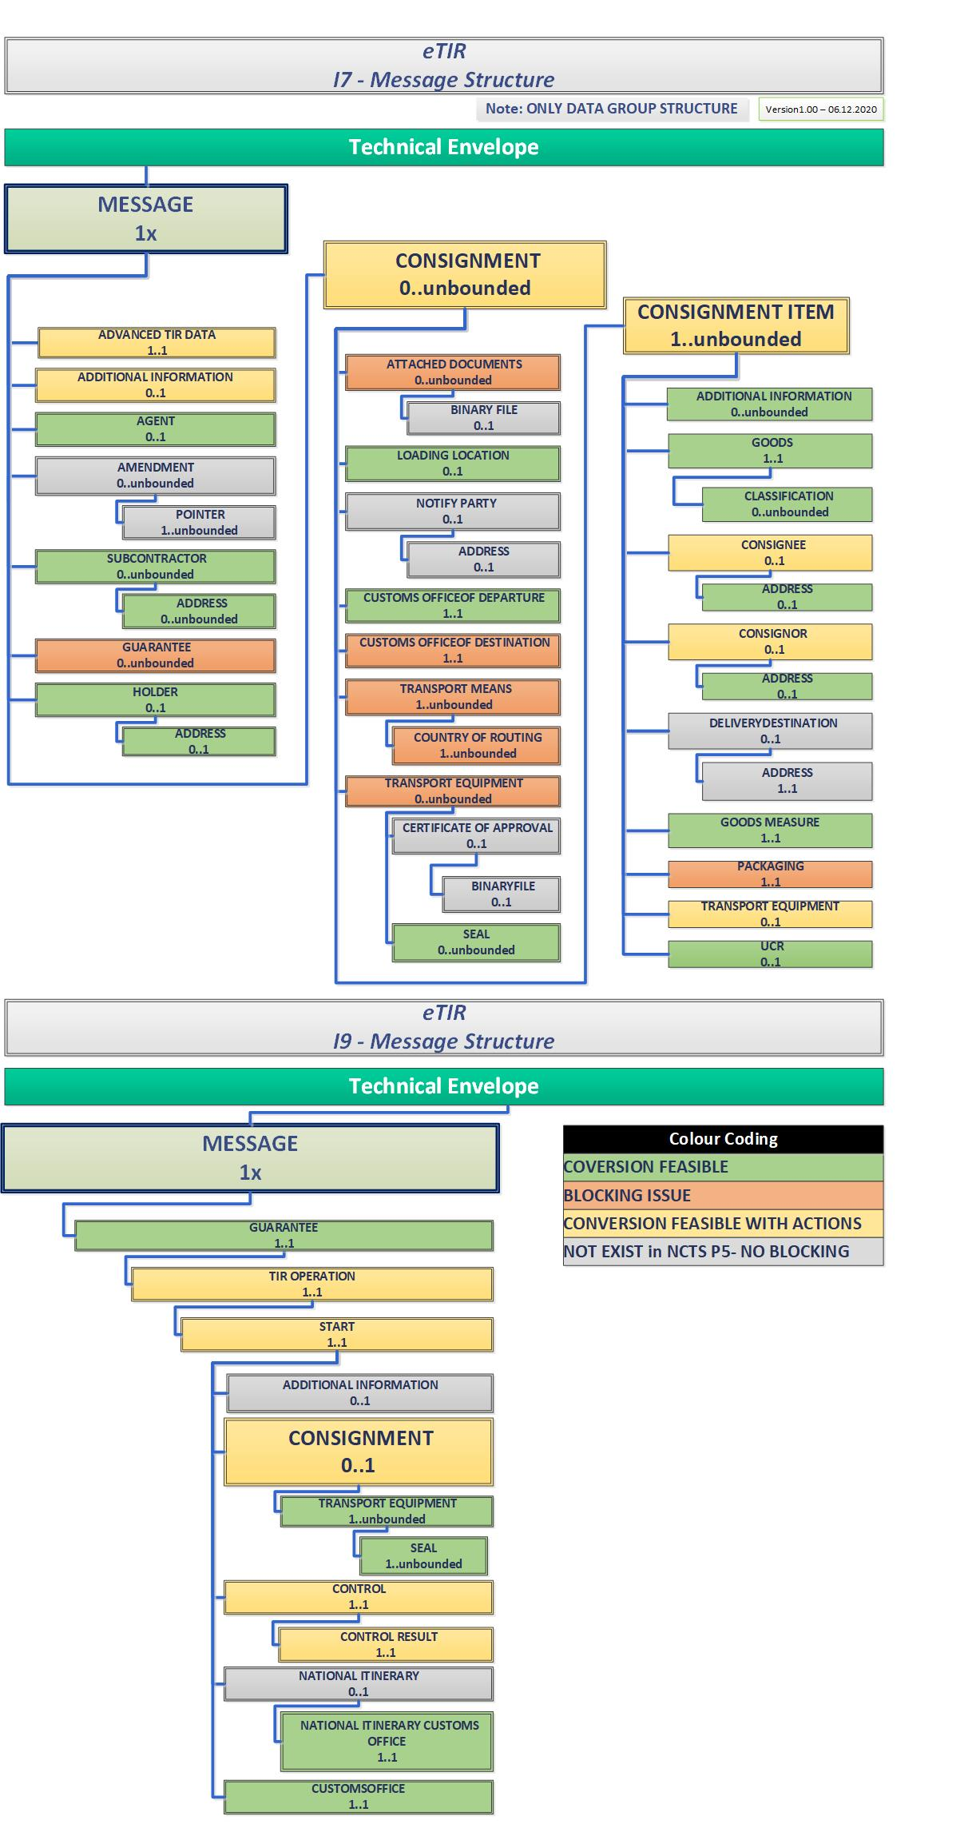
Conversion Feasibility Statistics From NCTS P5 IE029 to eTIR I7
 | Total
BLOCKING ISSUE | 7
CONVERSION FEASIBLE WITH ACTIONS | 7
NOT EXIST in NCTS- NO BLOCKING | 7
COΝVERSION FEASIBLE | 15
From NCTS to ETIR From IE029 to I7
Data Groups | Convertibility | Comments | Possible impact because of ICS2/NCTS interface
ADVANCETIRDATA | CONVERSION FEASIBLE WITH ACTIONS | Discrepancies exist in the Naming of the Data Group between I7 message structure in excel and I7 structure in PDF document.
ADDITIONALINFORMATION | CONVERSION FEASIBLE WITH ACTIONS
AGENT | COΝVERSION FEASIBLE
AMENDMENT | NOT EXIST in NCTS- NO BLOCKING
POINTER | NOT EXIST in NCTS- NO BLOCKING
SUBCONTRACTOR | COΝVERSION FEASIBLE
ADDRESS | COΝVERSION FEASIBLE | Data item "PostCode" is not always available for all countries. In NCTS information is not provided for countries included in SET CL505 (optional) while in eTIR information is Required. Possible solution: To be discussed with GE1 and modify the optionality of Postcode for countries that post code is not supported. | ACTORS Demographics may be enriched based on the outcome of the study for NCTS and ICS2 interface.
CONSIGNMENT | CONVERSION FEASIBLE WITH ACTIONS
ATTACHEDDOCUMENTS | BLOCKING ISSUE | Data Item "Issuing Date" is Required in eTIR while the information is not available in NCTS messages (Please refer to row #39 on sheet -'from IE029 to I7' of this excel.) Solution: Change the optionality of the Data item to Optional. To be discussed with GE1. The proposed solution has been agreed between the involved parties. The issue will remain blocking until the implementation of the Technical Specifications.
BINARYFILE | NOT EXIST in NCTS- NO BLOCKING
CONSIGNMENTITEM | CONVERSION FEASIBLE WITH ACTIONS
ADDITIONALINFORMATION | COΝVERSION FEASIBLE
GOODS | COΝVERSION FEASIBLE
CLASSIFICATION | COΝVERSION FEASIBLE
CONSIGNEE | CONVERSION FEASIBLE WITH ACTIONS |  | The optionality of the Data Group will be modified to Required in ICS2/NCTSP6 interface. To be discussed if CONSIGNEE at Data Group will be removed from CONSIGNMENT ITEM level.
ADDRESS | COΝVERSION FEASIBLE | Data item "PostCode" is not always available for all countries. In NCTS information is not provided for countries included in SET CL505 (optional) while in eTIR information is Required. Possible solution: To be discussed with GE1 and modify the optionality of Postcode for countries that post code is not supported. | ACTORS Demographics may be enriched based on the outcome of the study for NCTS and ICS2 interface.
CONSIGNOR | CONVERSION FEASIBLE WITH ACTIONS
ADDRESS | COΝVERSION FEASIBLE | Data item "PostCode" is not always available for all countries. In NCTS information is not provided for countries included in SET CL505 (optional) while in eTIR information is Required. Possible solution: To be discussed with GE1 and modify the optionality of Postcode for countries that post code is not supported. | ACTORS Demographics may be enriched based on the outcome of the study for NCTS and ICS2 interface.
DELIVERYDESTINATION | NOT EXIST in NCTS- NO BLOCKING
ADDRESS | NOT EXIST in NCTS- NO BLOCKING
GOODSMEASURE | COΝVERSION FEASIBLE
PACKAGING | BLOCKING ISSUE | In eTIR only one repetition of the Data Group is presented, while in NCTS each consignment items can be packed in 99x different packages. No issue in case of conversion of I15 to IE015, but issue exist in case of conversion from IE029 to I7. (Please refer to row #91 on sheet -'from IE029 to I7' of this excel.). Proposed Solution: Update the cardinality of the Data Group in eTIR to up to 99x repetitions, to be discussed with GE1. The proposed solution has been agreed between the involved parties. The issue will remain blocking until the implementation of the Technical Specifications.
TRANSPORTEQUIPMENT | CONVERSION FEASIBLE WITH ACTIONS
UCR | COΝVERSION FEASIBLE
LOADINGLOCATION | COΝVERSION FEASIBLE
NOTIFYPARTY | NOT EXIST in NCTS- NO BLOCKING
ADDRESS | NOT EXIST in NCTS- NO BLOCKING
CUSTOMSOFFICEOFDEPARTURE | COΝVERSION FEASIBLE
CUSTOMSOFFICEOFDESTINATION | BLOCKING ISSUE | In NCTS the Data group presented in IE029 message is referring to CUSTOMS OFFICE OF DESTINATION always located in EU. The information cannot be mapped with CUSTOMS OFFICE OF DESTINATION of eTIR movement. Blocking issue. (Please refer to row #111 on sheet -'from IE029 to I7' of this excel.)
TRANSPORTMEANS | BLOCKING ISSUE | Information will be retrieved by combing NCTS DEPARTURE TRANSPORT MEANS and ACTIVE BORDER TRANSPORT MEANS. Only the transport means up to the NCTS Office of Destination is available in IE029. Issue in case change of transport means after crossing the EU Borders. (Please refer to row #113 on sheet -'from IE029 to I7' of this excel.) Solution: a. Change the usage of the Data Group in NCTS and extent the information outside the EU to have the all transport means also outside the EU in case of TIR. b. Change the optionality of the DEPARTURE TRANSPORT MEANS and ACTIVE BORDER TRANSPORT MEANS to Required. The proposed solution has been agreed between the involved parties. The issue will remain blocking until the implementation of the Technical Specifications. | Data Group may be enriched based on the outcome of the study for NCTS and ICS2 interface to include the transport means of the whole movement.
COUNTRYOFROUTING | BLOCKING ISSUE | In NCTS P5 the information presented in in this D.G. is related to Safety & Security and to the Binding Itinerary. In case of Binding itinerary, the information entered must include the list of codes of the countries between the Office of Departure and the Office of Destination. If more information is available about the countries visited by the means of transport since it's first place of loading until the last place of unloading, it should also be added for Safety & Security purpose only. (Please refer to row #118 on sheet -'from IE029 to I7' of this excel.) Issue: A. eTIR movement is not necessarily linked with security (open issue). Binding Itinerary is can be either zero or one. As a result, DG is optional. B. If the Data Group is present then only the countries between the Office of Departure and the Office of Destination. Solution: COUNTRY OF ROUTING OF CONSIGNMENT to be required and all the TIR countries (the whole itinerary) to be included in case of TIR. The proposed solution has been agreed between the involved parties. The issue will remain blocking until the implementation of the Technical Specifications. | COUNTRY OF ROUTING OF CONSIGNMENT to be required and all the TIR countries (the whole itinerary) to be included in case of TIR. Data Group may be enriched based on the outcome of the study for NCTS and ICS2 interface to include the full itinerary.
TRANSPORTEQUIPMENT | BLOCKING ISSUE | Data Item "Size and type identification" is Required in eTIR while the information is not available in NCTS messages (Please refer to row #123 on sheet -'from IE029 to I7' of this excel.) Proposed Solution: introduce the Data Item also in NCTS as the Data item TRANSPORT EQUIPMENT.Container size and type is considered also required in the interface of ICS2/NCTS. The proposed solution has been agreed between the involved parties. The issue will remain blocking until the implementation of the Technical Specifications. | Data item TRANSPORT EQUIPMENT.Container size and type is considered also required in the interface of ICS2/NCTS.
SEAL | COΝVERSION FEASIBLE | Open issue: to be defined if the information will be forward from NCTS P5 to eTIR International system via I7 or I9 message. The mapping of this Data Group is presented in both sheets of this excel (“From IE029 to I9” and “From IE029 to I7”).
GUARANTEE | BLOCKING ISSUE | Data Item "Validity" is Required in eTIR while the information is not available in NCTS messages (Please refer to row #130 on sheet -'from IE029 to I7' of this excel.) Proposed Solution: To propose to GE.1 to remove the DG from this message. The proposed solution has been agreed between the involved parties. The issue will remain blocking until the implementation of the Technical Specifications.
HOLDER | COΝVERSION FEASIBLE
ADDRESS | COΝVERSION FEASIBLE | Data item "PostCode" is not always available for all countries. In NCTS information is not provided for countries included in SET CL505 (optional) while in eTIR information is Required. Possible solution: To be discussed with GE1 and modify the optionality of Postcode for countries that post code is not supported. | ACTORS Demographics may be enriched based on the outcome of the study for NCTS and ICS2 interface.
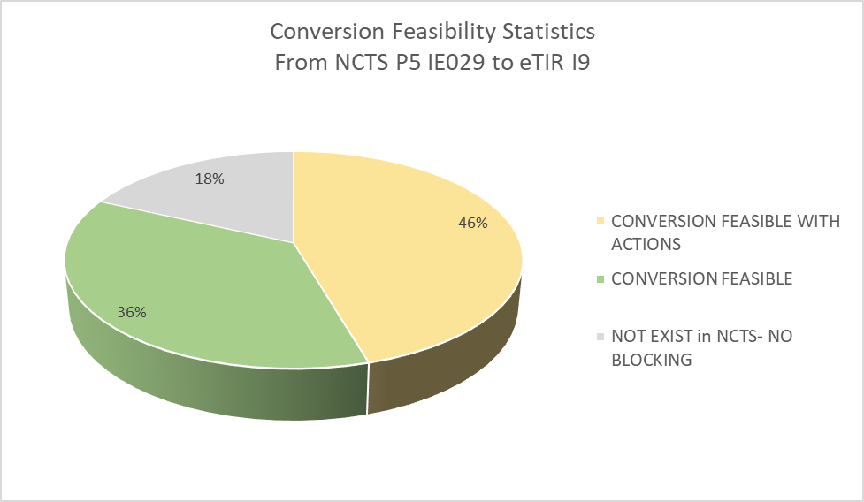
From NCTS to ETIR From IE029 to I9
Data Groups | Convertibility | Comments | Possible impact because of ICS2/NCTS interface
Guarantee | COΝVERSION FEASIBLE
TIROperation | CONVERSION FEASIBLE WITH ACTIONS
Start | CONVERSION FEASIBLE WITH ACTIONS
AdditionalInformation | NOT EXIST in NCTS- NO BLOCKING
Consignment | CONVERSION FEASIBLE WITH ACTIONS
TransportEquipment | COΝVERSION FEASIBLE
Seal | COΝVERSION FEASIBLE | Open issue: to be defined if the information will be forward from NCTS P5 to eTIR International system via I7 or I9 message. The mapping of this Data Group is presented in both sheets of this excel (“From IE029 to I9” and “From IE029 to I7”). (Please refer to row #21 on sheet -'from IE029 to I9' of this excel.)
Control | CONVERSION FEASIBLE WITH ACTIONS
ControlResult | CONVERSION FEASIBLE WITH ACTIONS
NationalItinerary | NOT EXIST in NCTS- NO BLOCKING
NationalItineraryCustomsOffice | COΝVERSION FEASIBLE
CustomsOffice | COΝVERSION FEASIBLE

