Manual
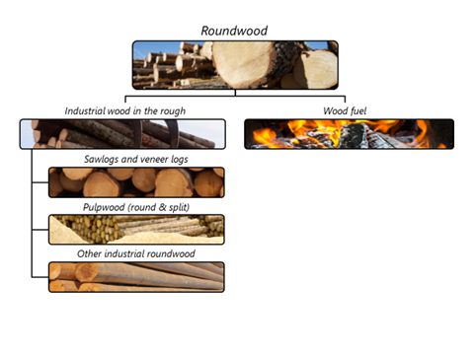

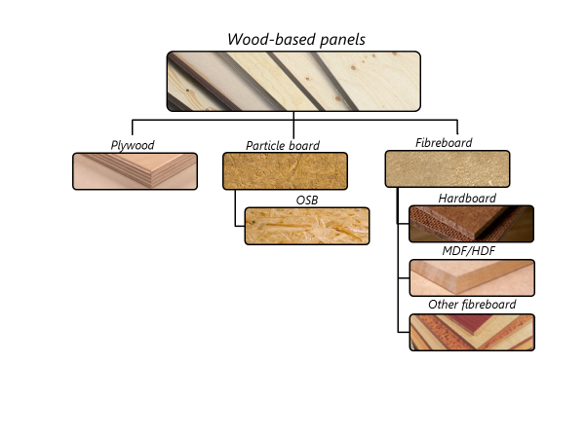

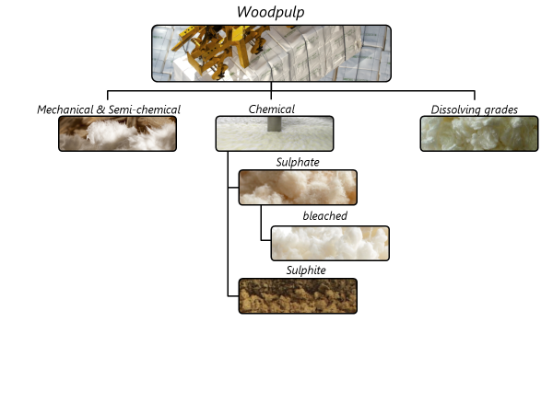

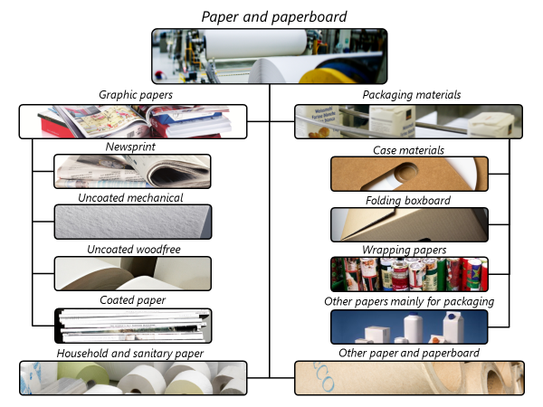

Changes from JQ2019 to JQ2020
Below is a complete list of all changes to JQ2020. Items in bold are significant changes.
Definitions
Included additional products under definition of production
Changed definition of veneer to exclude veneer used for plywood (item 7). This reverts to the pre-2017 definition.
Removed reference to particle board as an aggregate (item 8.2).
Added fine OSB to definition of OSB (item 8.2.1).
Questionnaires
Changed representation of unit “mt” to “t” (metric tonnes).
Cubic metre (m³) referenced as solid volume (in accordance with definitions).
Included m³ub (underbark) for roundwood on ITTO 2.
ECE-EU
Removed the “ex” (partial) HS codes
Removed item 1.2.C.Other (3 rows)
Restored data checks between this questionnaire and JQ2

